DASHBOARD
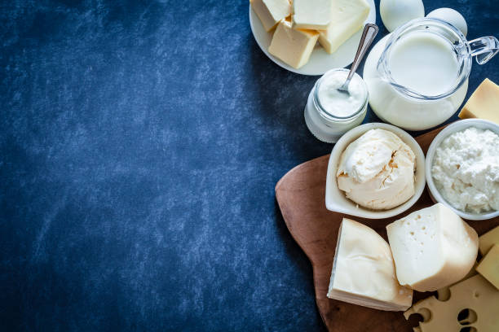
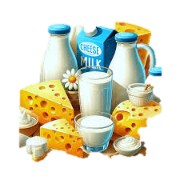
DAIRY PRODUCT SALES AND INVENTORY DASHBOARD

TOTAL REVENUE
$13695466
TOP SELLING PRODUCT
Butter
AVERAGE PRICE PER UNIT
47
INVENTORY TURNOVER RATIO
71%
TOP LOCATION
Chandigarh

STATE SALES ANALYSIS
REVENUE V/S QUANTITY SOLD
SALES CHANNEL CONTRIBUTION

 | Sum of Quantity Sold (liters/kg) | Sum of Approx. Total Revenue(INR)
2019 | 60302 | 3185403.99
2020 | 59545 | 3169686.37
2021 | 66936 | 3810740.31
2022 | 60977 | 3529635.57
 | Total
Gujarat | 865584.94
Haryana | 810080.7
Uttar Pradesh | 912084.69
Maharashtra | 733003.06
Bihar | 1312635.27
Chandigarh | 1483374.18
Delhi | 1392824.7
Jharkhand | 644157.58
Karnataka | 1038964.98
Kerala | 664650.99
Madhya Pradesh | 768924.78
Rajasthan | 784377.51
Tamil Nadu | 906287.33
Telangana | 509204.37
West Bengal | 869311.16
 | Total
Online | 3865156.5
Retail | 4613388.46
Wholesale | 5216921.28

INVENTORY MANAGEMENT
SALES FORCAST FOR NEXT QTR
PRODUCT PERFORMANCE BY STORE LOCATION

 | Sum of Quantity in Stock (liters/kg) | Sum of Shelf Life (days)
Butter | 60771 | 6849
Buttermilk | 49400 | 1879
Cheese | 32772 | 7046
Milk | 49233 | 2428
Paneer | 48752 | 2190
Yogurt | 29897 | 3039
 | Total
2019 | 3185403.99
2020 | 3169686.37
2021 | 3810740.31
2022 | 3529635.57
 | Gujarat | Uttar Pradesh | Maharashtra | Chandigarh | Delhi | Karnataka | Madhya Pradesh | West Bengal
Butter | 202005.25 | 292793.27 | 360565.73 | 883645.39 | 476220.68 | 269585.01 | 282019.86 | 299308.22
Buttermilk | 84792.73 | 187370.06 | 264304.57 | 499669.24 | 379350.23 | 242746.06 | 288544.18 | 340573.66
Cheese | 101353.86 | 103871.27 | 137203.89 | 328864.5 | 325592.5 | 192566.45 | 247070.8 | 99890.99
Milk | 294721.42 | 304800.76 | 238279.36 | 484459.36 | 593976.01 | 290173.85 | 260067.58 | 215307.97
Paneer | 215160.92 | 283984.52 | 215109.24 | 537381.09 | 454523.81 | 316211.49 | 153598.2 | 272523.7
Yogurt | 165912.64 | 145281.56 | 256514.11 | 312809.51 | 284452.16 | 216584.34 | 106356.32 | 187367.92

STATE SALES ANALYSIS
Row Labels | Sum of Approx. Total Revenue(INR)
Gujarat | 865584.94
Haryana | 810080.7
Uttar Pradesh | 912084.69
Maharashtra | 733003.06
Bihar | 1312635.27
Chandigarh | 1483374.18
Delhi | 1392824.7
Jharkhand | 644157.58
Karnataka | 1038964.98
Kerala | 664650.99
Madhya Pradesh | 768924.78
Rajasthan | 784377.51
Tamil Nadu | 906287.33
Telangana | 509204.37
West Bengal | 869311.16
Grand Total | 13695466.24

REVENUE VS QUANTITY SOLD
Row Labels | Sum of Quantity Sold (liters/kg) | Sum of Approx. Total Revenue(INR)
2019 | 60302 | 3185403.99
2020 | 59545 | 3169686.37
2021 | 66936 | 3810740.31
2022 | 60977 | 3529635.57
Grand Total | 247760 | 13695466.24

INVENTORY MANAGEMENT
Row Labels | Sum of Quantity in Stock (liters/kg) | Sum of Shelf Life (days)
Butter | 60771 | 6849
Buttermilk | 49400 | 1879
Cheese | 32772 | 7046
Milk | 49233 | 2428
Paneer | 48752 | 2190
Yogurt | 29897 | 3039
Grand Total | 270825 | 23431

SALES CHANNEL CONTRIBUTION
Row Labels | Sum of Approx. Total Revenue(INR)
Online | 3865156.5
Retail | 4613388.46
Wholesale | 5216921.28
Grand Total | 13695466.24

SALES FORECAST FOR NEXT QTR
Row Labels | Sum of Approx. Total Revenue(INR)
2019 | 3185403.99
2020 | 3169686.37
2021 | 3810740.31
2022 | 3529635.57
Grand Total | 13695466.24

PRODUCT PERFORMANCE-STORE LOCA
Sum of Approx. Total Revenue(INR) | Column Labels
Row Labels | Gujarat | Uttar Pradesh | Maharashtra | Chandigarh | Delhi | Karnataka | Madhya Pradesh | West Bengal | Grand Total
Butter | 202005.25 | 292793.27 | 360565.73 | 883645.39 | 476220.68 | 269585.01 | 282019.86 | 299308.22 | 3066143.41
Buttermilk | 84792.73 | 187370.06 | 264304.57 | 499669.24 | 379350.23 | 242746.06 | 288544.18 | 340573.66 | 2287350.73
Cheese | 101353.86 | 103871.27 | 137203.89 | 328864.5 | 325592.5 | 192566.45 | 247070.8 | 99890.99 | 1536414.26
Milk | 294721.42 | 304800.76 | 238279.36 | 484459.36 | 593976.01 | 290173.85 | 260067.58 | 215307.97 | 2681786.31
Paneer | 215160.92 | 283984.52 | 215109.24 | 537381.09 | 454523.81 | 316211.49 | 153598.2 | 272523.7 | 2448492.97
Yogurt | 165912.64 | 145281.56 | 256514.11 | 312809.51 | 284452.16 | 216584.34 | 106356.32 | 187367.92 | 1675278.56
Grand Total | 1063946.82 | 1318101.44 | 1471976.9 | 3046829.09 | 2514115.39 | 1527867.2 | 1337656.94 | 1414972.46 | 13695466.24

